OP
Stock Performance | Executive Summary | Buy |  | Stock Price:

 | Apple Inc. designs, manufactures, and markets smartphones, personal computers, tablets, wearables and accessories, and sells a variety of related accessories. The Company also offers payment, digital content, cloud and advertising services. Apple Inc.'s customers are primarily in consumer, small & mid-sized business, education, enterprise and government markets worldwide. |  |  | 2024-03-18 | 173.72
 |  | BBG Ticker | AAPL US EQUITY | 2024-03-19 | 176.08
 |  | Price | 252.65 | 2024-03-20 | 178.67
 |  |  |  | 2024-03-21 | 171.37
 |  | Target Price |  | 2024-03-22 | 172.28
 |  | Upside |  | 2024-03-25 | 170.85
 |  |  |  | 2024-03-26 | 169.71
 |  | Market Cap (Millions) | 3,718,146 | 2024-03-27 | 173.31
 |  |  |  | 2024-03-28 | 171.48
 |  |  |  | 2024-04-01 | 170.03
 |  |  |  | 2024-04-02 | 168.84
 |  |  |  | 2024-04-03 | 169.65
SWOT |  | Statistics |  | 2024-04-04 | 168.82
Strenghs | Weaknesses | Beta | 1.10 | 2024-04-05 | 169.58
 |  | % Float | 98.31% | 2024-04-08 | 168.45
 |  | % Held by Insiders | 0.07% | 2024-04-09 | 169.67
 |  | % Held by Institutions | 68.67% | 2024-04-10 | 167.78
 |  |  |  | 2024-04-11 | 175.04
 |  |  |  | 2024-04-12 | 176.55
 |  |  |  | 2024-04-15 | 172.69
Opportunities | Threats |  |  | 2024-04-16 | 169.38
 |  |  |  | 2024-04-17 | 168
 |  |  |  | 2024-04-18 | 167.04
 |  |  |  | 2024-04-19 | 165
 |  |  |  | 2024-04-22 | 165.84
 |  |  |  | 2024-04-23 | 166.9
 |  |  |  | 2024-04-24 | 169.02
 |  |  |  | 2024-04-25 | 169.89
 |  |  |  | 2024-04-26 | 169.3
 |  |  |  | 2024-04-29 | 173.5
 |  |  |  | 2024-04-30 | 170.33
 |  |  |  | 2024-05-01 | 169.3
 |  |  |  | 2024-05-02 | 173.03
 |  |  |  | 2024-05-03 | 183.38
 |  |  |  | 2024-05-06 | 181.71
 |  |  |  | 2024-05-07 | 182.4
 |  |  |  | 2024-05-08 | 182.74
 |  |  |  | 2024-05-09 | 184.57
 |  |  |  | 2024-05-10 | 183.05
 |  |  |  | 2024-05-13 | 186.28
 |  |  |  | 2024-05-14 | 187.43
 |  |  |  | 2024-05-15 | 189.72
 |  |  |  | 2024-05-16 | 189.84
 |  |  |  | 2024-05-17 | 189.87
 |  |  |  | 2024-05-20 | 191.04
 |  |  |  | 2024-05-21 | 192.35
 |  |  |  | 2024-05-22 | 190.9
 |  |  |  | 2024-05-23 | 186.88
 |  |  |  | 2024-05-24 | 189.98
 |  |  |  | 2024-05-28 | 189.99
 |  |  |  | 2024-05-29 | 190.29
 |  |  |  | 2024-05-30 | 191.29
 |  |  |  | 2024-05-31 | 192.25
 |  |  |  | 2024-06-03 | 194.03
 |  |  |  | 2024-06-04 | 194.35
 |  |  |  | 2024-06-05 | 195.87
 |  |  |  | 2024-06-06 | 194.48
 |  |  |  | 2024-06-07 | 196.89
 |  |  |  | 2024-06-10 | 193.12
 |  |  |  | 2024-06-11 | 207.15
 |  |  |  | 2024-06-12 | 213.07
 |  |  |  | 2024-06-13 | 214.24
 |  |  |  | 2024-06-14 | 212.49
 |  |  |  | 2024-06-17 | 216.67
 |  |  |  | 2024-06-18 | 214.29
 |  |  |  | 2024-06-20 | 209.68
 |  |  |  | 2024-06-21 | 207.49
 |  |  |  | 2024-06-24 | 208.14
 |  |  |  | 2024-06-25 | 209.07
 |  |  |  | 2024-06-26 | 213.25
 |  |  |  | 2024-06-27 | 214.1
 |  |  |  | 2024-06-28 | 210.62
 |  |  |  | 2024-07-01 | 216.75
 |  |  |  | 2024-07-02 | 220.27
 |  |  |  | 2024-07-03 | 221.55
 |  |  |  | 2024-07-05 | 226.34
 |  |  |  | 2024-07-08 | 227.82
 |  |  |  | 2024-07-09 | 228.68
 |  |  |  | 2024-07-10 | 232.98
 |  |  |  | 2024-07-11 | 227.57
 |  |  |  | 2024-07-12 | 230.54
 |  |  |  | 2024-07-15 | 234.4
 |  |  |  | 2024-07-16 | 234.82
 |  |  |  | 2024-07-17 | 228.88
 |  |  |  | 2024-07-18 | 224.18
 |  |  |  | 2024-07-19 | 224.31
 |  |  |  | 2024-07-22 | 223.96
 |  |  |  | 2024-07-23 | 225.01
 |  |  |  | 2024-07-24 | 218.54
 |  |  |  | 2024-07-25 | 217.49
 |  |  |  | 2024-07-26 | 217.96
 |  |  |  | 2024-07-29 | 218.24
 |  |  |  | 2024-07-30 | 218.8
 |  |  |  | 2024-07-31 | 222.08
 |  |  |  | 2024-08-01 | 218.36
 |  |  |  | 2024-08-02 | 219.86
 |  |  |  | 2024-08-05 | 209.27
 |  |  |  | 2024-08-06 | 207.23
 |  |  |  | 2024-08-07 | 209.82
 |  |  |  | 2024-08-08 | 213.31
 |  |  |  | 2024-08-09 | 216.24
 |  |  |  | 2024-08-12 | 217.53
 |  |  |  | 2024-08-13 | 221.27
 |  |  |  | 2024-08-14 | 221.72
 |  |  |  | 2024-08-15 | 224.72
 |  |  |  | 2024-08-16 | 226.05
 |  |  |  | 2024-08-19 | 225.89
 |  |  |  | 2024-08-20 | 226.51
 |  |  |  | 2024-08-21 | 226.4
 |  |  |  | 2024-08-22 | 224.53
 |  |  |  | 2024-08-23 | 226.84
 |  |  |  | 2024-08-26 | 227.18
 |  |  |  | 2024-08-27 | 228.03
 |  |  |  | 2024-08-28 | 226.49
 |  |  |  | 2024-08-29 | 229.79
 |  |  |  | 2024-08-30 | 229
 |  |  |  | 2024-09-03 | 222.77
 |  |  |  | 2024-09-04 | 220.85
 |  |  |  | 2024-09-05 | 222.38
 |  |  |  | 2024-09-06 | 220.82
 |  |  |  | 2024-09-09 | 220.91
 |  |  |  | 2024-09-10 | 220.11
 |  |  |  | 2024-09-11 | 222.66
 |  |  |  | 2024-09-12 | 222.77
 |  |  |  | 2024-09-13 | 222.5
 |  |  |  | 2024-09-16 | 216.32
 |  |  |  | 2024-09-17 | 216.79
 |  |  |  | 2024-09-18 | 220.69
 |  |  |  | 2024-09-19 | 228.87
 |  |  |  | 2024-09-20 | 228.2
 |  |  |  | 2024-09-23 | 226.47
 |  |  |  | 2024-09-24 | 227.37
 |  |  |  | 2024-09-25 | 226.37
 |  |  |  | 2024-09-26 | 227.52
 |  |  |  | 2024-09-27 | 227.79
 |  |  |  | 2024-09-30 | 233
 |  |  |  | 2024-10-01 | 226.21
 |  |  |  | 2024-10-02 | 226.78
 |  |  |  | 2024-10-03 | 225.67
 |  |  |  | 2024-10-04 | 226.8
 |  |  |  | 2024-10-07 | 221.69
 |  |  |  | 2024-10-08 | 225.77
 |  |  |  | 2024-10-09 | 229.54
 |  |  |  | 2024-10-10 | 229.04
 |  |  |  | 2024-10-11 | 227.55
 |  |  |  | 2024-10-14 | 231.3
 |  |  |  | 2024-10-15 | 233.85
 |  |  |  | 2024-10-16 | 231.78
 |  |  |  | 2024-10-17 | 232.15
 |  |  |  | 2024-10-18 | 235
 |  |  |  | 2024-10-21 | 236.48
 |  |  |  | 2024-10-22 | 235.86
 |  |  |  | 2024-10-23 | 230.76
 |  |  |  | 2024-10-24 | 230.57
 |  |  |  | 2024-10-25 | 231.41
 |  |  |  | 2024-10-28 | 233.4
 |  |  |  | 2024-10-29 | 233.67
 |  |  |  | 2024-10-30 | 230.1
 |  |  |  | 2024-10-31 | 225.91
 |  |  |  | 2024-11-01 | 222.91
 |  |  |  | 2024-11-04 | 222.01
 |  |  |  | 2024-11-05 | 223.45
 |  |  |  | 2024-11-06 | 222.72
 |  |  |  | 2024-11-07 | 227.48
 |  |  |  | 2024-11-08 | 226.96
 |  |  |  | 2024-11-11 | 224.23
 |  |  |  | 2024-11-12 | 224.23
 |  |  |  | 2024-11-13 | 225.12
 |  |  |  | 2024-11-14 | 228.22
 |  |  |  | 2024-11-15 | 225
 |  |  |  | 2024-11-18 | 228.02
 |  |  |  | 2024-11-19 | 228.28
 |  |  |  | 2024-11-20 | 229
 |  |  |  | 2024-11-21 | 228.52
 |  |  |  | 2024-11-22 | 229.87
 |  |  |  | 2024-11-25 | 232.87
 |  |  |  | 2024-11-26 | 235.06
 |  |  |  | 2024-11-27 | 234.93
 |  |  |  | 2024-11-29 | 237.33
 |  |  |  | 2024-12-02 | 239.59
 |  |  |  | 2024-12-03 | 242.65
 |  |  |  | 2024-12-04 | 243.01
 |  |  |  | 2024-12-05 | 243.04
 |  |  |  | 2024-12-06 | 242.84
 |  |  |  | 2024-12-09 | 246.75
 |  |  |  | 2024-12-10 | 247.77
 |  |  |  | 2024-12-11 | 246.49
 |  |  |  | 2024-12-12 | 247.96
 |  |  |  | 2024-12-13 | 248.13
 |  |  |  | 2024-12-16 | 251.04
 |  |  |  | 2024-12-17 | 253.48
 |  |  |  | 2024-12-18 | 248.05
 |  |  |  | 2024-12-19 | 249.79
 |  |  |  | 2024-12-20 | 254.49
 |  |  |  | 2024-12-23 | 255.27
 |  |  |  | 2024-12-24 | 258.2
 |  |  |  | 2024-12-26 | 259.02
 |  |  |  | 2024-12-27 | 255.59
 |  |  |  | 2024-12-30 | 252.2
 |  |  |  | 2024-12-31 | 250.42
 |  |  |  | 2025-01-02 | 243.85
 |  |  |  | 2025-01-03 | 243.36
 |  |  |  | 2025-01-06 | 245
 |  |  |  | 2025-01-07 | 242.21
 |  |  |  | 2025-01-08 | 242.7
 |  |  |  | 2025-01-10 | 236.85
 |  |  |  | 2025-01-13 | 234.4
 |  |  |  | 2025-01-14 | 233.28
 |  |  |  | 2025-01-15 | 237.87
 |  |  |  | 2025-01-16 | 228.26
 |  |  |  | 2025-01-17 | 229.98
 |  |  |  | 2025-01-21 | 222.64
 |  |  |  | 2025-01-22 | 223.83
 |  |  |  | 2025-01-23 | 223.66
 |  |  |  | 2025-01-24 | 222.78
 |  |  |  | 2025-01-27 | 229.86
 |  |  |  | 2025-01-28 | 238.26
 |  |  |  | 2025-01-29 | 239.36
 |  |  |  | 2025-01-30 | 237.59
 |  |  |  | 2025-01-31 | 236
 |  |  |  | 2025-02-03 | 228.01
 |  |  |  | 2025-02-04 | 232.8
 |  |  |  | 2025-02-05 | 232.47
 |  |  |  | 2025-02-06 | 233.22
 |  |  |  | 2025-02-07 | 227.63
 |  |  |  | 2025-02-10 | 227.65
 |  |  |  | 2025-02-11 | 232.62
 |  |  |  | 2025-02-12 | 236.87
 |  |  |  | 2025-02-13 | 241.53
 |  |  |  | 2025-02-14 | 244.6
 |  |  |  | 2025-02-18 | 244.47
 |  |  |  | 2025-02-19 | 244.87
 |  |  |  | 2025-02-20 | 245.83
 |  |  |  | 2025-02-21 | 245.55
 |  |  |  | 2025-02-24 | 247.1
 |  |  |  | 2025-02-25 | 247.04
 |  |  |  | 2025-02-26 | 240.36
 |  |  |  | 2025-02-27 | 237.3
 |  |  |  | 2025-02-28 | 241.84
 |  |  |  | 2025-03-03 | 238.03
 |  |  |  | 2025-03-04 | 235.93
 |  |  |  | 2025-03-05 | 235.74
 |  |  |  | 2025-03-06 | 235.33
 |  |  |  | 2025-03-07 | 239.07
 |  |  |  | 2025-03-10 | 227.48
 |  |  |  | 2025-03-11 | 220.84
 |  |  |  | 2025-03-12 | 216.98
 |  |  |  | 2025-03-13 | 209.68
 |  |  |  | 2025-03-14 | 213.49
 |  |  |  | 2025-03-17 | 214
 |  |  |  | 2025-03-18 | 212.69
 |  |  |  | 2025-03-19 | 215.24
 |  |  |  | 2025-03-20 | 214.1
 |  |  |  | 2025-03-21 | 218.27
 |  |  |  | 2025-03-24 | 220.73
 |  |  |  | 2025-03-25 | 223.75
 |  |  |  | 2025-03-26 | 221.53
 |  |  |  | 2025-03-27 | 223.85
 |  |  |  | 2025-03-28 | 217.9
 |  |  |  | 2025-03-31 | 222.13
 |  |  |  | 2025-04-01 | 223.19
 |  |  |  | 2025-04-02 | 223.89
 |  |  |  | 2025-04-03 | 203.19
 |  |  |  | 2025-04-04 | 188.38
 |  |  |  | 2025-04-07 | 181.46
 |  |  |  | 2025-04-08 | 172.42
 |  |  |  | 2025-04-09 | 198.85
 |  |  |  | 2025-04-10 | 190.42
 |  |  |  | 2025-04-11 | 198.15
 |  |  |  | 2025-04-14 | 202.52
 |  |  |  | 2025-04-15 | 202.14
 |  |  |  | 2025-04-16 | 194.27
 |  |  |  | 2025-04-17 | 196.98
 |  |  |  | 2025-04-21 | 193.16
 |  |  |  | 2025-04-22 | 199.74
 |  |  |  | 2025-04-23 | 204.6
 |  |  |  | 2025-04-24 | 208.37
 |  |  |  | 2025-04-25 | 209.28
 |  |  |  | 2025-04-28 | 210.14
 |  |  |  | 2025-04-29 | 211.21
 |  |  |  | 2025-04-30 | 212.5
 |  |  |  | 2025-05-01 | 213.32
 |  |  |  | 2025-05-02 | 205.35
 |  |  |  | 2025-05-05 | 198.89
 |  |  |  | 2025-05-06 | 198.51
 |  |  |  | 2025-05-07 | 196.25
 |  |  |  | 2025-05-08 | 197.49
 |  |  |  | 2025-05-09 | 198.53
 |  |  |  | 2025-05-12 | 210.79
 |  |  |  | 2025-05-13 | 212.93
 |  |  |  | 2025-05-14 | 212.33
 |  |  |  | 2025-05-15 | 211.45
 |  |  |  | 2025-05-16 | 211.26
 |  |  |  | 2025-05-19 | 208.78
 |  |  |  | 2025-05-20 | 206.86
 |  |  |  | 2025-05-21 | 202.09
 |  |  |  | 2025-05-22 | 201.36
 |  |  |  | 2025-05-23 | 195.27
 |  |  |  | 2025-05-27 | 200.21
 |  |  |  | 2025-05-28 | 200.42
 |  |  |  | 2025-05-29 | 199.95
 |  |  |  | 2025-05-30 | 200.85
 |  |  |  | 2025-06-02 | 201.7
 |  |  |  | 2025-06-03 | 203.27
 |  |  |  | 2025-06-04 | 202.82
 |  |  |  | 2025-06-05 | 200.63
 |  |  |  | 2025-06-06 | 203.92
 |  |  |  | 2025-06-09 | 201.45
 |  |  |  | 2025-06-10 | 202.67
 |  |  |  | 2025-06-11 | 198.78
 |  |  |  | 2025-06-12 | 199.2
 |  |  |  | 2025-06-13 | 196.45
 |  |  |  | 2025-06-16 | 198.42
 |  |  |  | 2025-06-17 | 195.64
 |  |  |  | 2025-06-18 | 196.58
 |  |  |  | 2025-06-20 | 201
 |  |  |  | 2025-06-23 | 201.5
 |  |  |  | 2025-06-24 | 200.3
 |  |  |  | 2025-06-25 | 201.56
 |  |  |  | 2025-06-26 | 201
 |  |  |  | 2025-06-27 | 201.08
 |  |  |  | 2025-06-30 | 205.17
 |  |  |  | 2025-07-01 | 207.82
 |  |  |  | 2025-07-02 | 212.44
 |  |  |  | 2025-07-03 | 213.55
 |  |  |  | 2025-07-07 | 209.95
 |  |  |  | 2025-07-08 | 210.01
 |  |  |  | 2025-07-09 | 211.14
 |  |  |  | 2025-07-10 | 212.41
 |  |  |  | 2025-07-11 | 211.16
 |  |  |  | 2025-07-14 | 208.62
 |  |  |  | 2025-07-15 | 209.11
 |  |  |  | 2025-07-16 | 210.16
 |  |  |  | 2025-07-17 | 210.02
 |  |  |  | 2025-07-18 | 211.18
 |  |  |  | 2025-07-21 | 212.48
 |  |  |  | 2025-07-22 | 214.4
 |  |  |  | 2025-07-23 | 214.15
 |  |  |  | 2025-07-24 | 213.76
 |  |  |  | 2025-07-25 | 213.88
 |  |  |  | 2025-07-28 | 214.05
 |  |  |  | 2025-07-29 | 211.27
 |  |  |  | 2025-07-30 | 209.05
 |  |  |  | 2025-07-31 | 207.57
 |  |  |  | 2025-08-01 | 202.38
 |  |  |  | 2025-08-04 | 203.35
 |  |  |  | 2025-08-05 | 202.92
 |  |  |  | 2025-08-06 | 213.25
 |  |  |  | 2025-08-07 | 220.03
 |  |  |  | 2025-08-08 | 229.35
 |  |  |  | 2025-08-11 | 227.18
 |  |  |  | 2025-08-12 | 229.65
 |  |  |  | 2025-08-13 | 233.33
 |  |  |  | 2025-08-14 | 232.78
 |  |  |  | 2025-08-15 | 231.59
 |  |  |  | 2025-08-18 | 230.89
 |  |  |  | 2025-08-19 | 230.56
 |  |  |  | 2025-08-20 | 226.01
 |  |  |  | 2025-08-21 | 224.9
 |  |  |  | 2025-08-22 | 227.76
 |  |  |  | 2025-08-25 | 227.16
 |  |  |  | 2025-08-26 | 229.31
 |  |  |  | 2025-08-27 | 230.49
 |  |  |  | 2025-08-28 | 232.56
 |  |  |  | 2025-08-29 | 232.14
 |  |  |  | 2025-09-02 | 229.72
 |  |  |  | 2025-09-03 | 238.47
 |  |  |  | 2025-09-04 | 239.78
 |  |  |  | 2025-09-05 | 239.69
 |  |  |  | 2025-09-08 | 237.88
 |  |  |  | 2025-09-09 | 234.35
 |  |  |  | 2025-09-10 | 226.79
 |  |  |  | 2025-09-11 | 230.03
 |  |  |  | 2025-09-12 | 234.07
 |  |  |  | 2025-09-15 | 236.7
 |  |  |  | 2025-09-16 | 238.15
 |  |  |  | 2025-09-17 | 238.99
 |  |  |  | 2025-09-18 | 237.88
 |  |  |  | 2025-09-19 | 245.5
 |  |  |  | 2025-09-22 | 256.08
 |  |  |  | 2025-09-23 | 254.43
 |  |  |  | 2025-09-24 | 252.31
 |  |  |  | 2025-09-25 | 256.87
 |  |  |  | 2025-09-26 | 255.46
 |  |  |  | 2025-09-29 | 254.43
 |  |  |  | 2025-09-30 | 254.63
 |  |  |  | 2025-10-01 | 255.45
 |  |  |  | 2025-10-02 | 257.13
 |  |  |  | 2025-10-03 | 258.02
 |  |  |  | 2025-10-06 | 256.69
 |  |  |  | 2025-10-07 | 256.48
 |  |  |  | 2025-10-08 | 258.06
 |  |  |  | 2025-10-09 | 254.04
 |  |  |  | 2025-10-10 | 245.27
 |  |  |  | 2025-10-13 | 247.66
 |  |  |  | 2025-10-14 | 247.77
 |  |  |  | 2025-10-15 | 249.34
 |  |  |  | 2025-10-16 | 247.45
 |  |  |  | 2025-10-17 | 252.29
 |  |  |  | 2025-10-20 | 262.24
 |  |  |  | 2025-10-21 | 262.77
 |  |  |  | 2025-10-22 | 258.45
 |  |  |  | 2025-10-23 | 259.58
 |  |  |  | 2025-10-24 | 262.82
 |  |  |  | 2025-10-27 | 268.81
 |  |  |  | 2025-10-28 | 269
 |  |  |  | 2025-10-29 | 269.7
 |  |  |  | 2025-10-30 | 271.4
 |  |  |  | 2025-10-31 | 270.37
 |  |  |  | 2025-11-03 | 269.05
 |  |  |  | 2025-11-04 | 270.04
 |  |  |  | 2025-11-05 | 270.14
 |  |  |  | 2025-11-06 | 269.77
 |  |  |  | 2025-11-07 | 268.47
 |  |  |  | 2025-11-10 | 269.43
 |  |  |  | 2025-11-11 | 275.25
 |  |  |  | 2025-11-12 | 273.47
 |  |  |  | 2025-11-13 | 272.95
 |  |  |  | 2025-11-14 | 272.41
 |  |  |  | 2025-11-17 | 267.46
 |  |  |  | 2025-11-18 | 267.44
 |  |  |  | 2025-11-19 | 268.56
 |  |  |  | 2025-11-20 | 266.25
 |  |  |  | 2025-11-21 | 271.49
 |  |  |  | 2025-11-24 | 275.92
 |  |  |  | 2025-11-25 | 276.97
 |  |  |  | 2025-11-26 | 277.55
 |  |  |  | 2025-11-28 | 278.85
 |  |  |  | 2025-12-01 | 283.1
 |  |  |  | 2025-12-02 | 286.19
 |  |  |  | 2025-12-03 | 284.15
 |  |  |  | 2025-12-04 | 280.7
 |  |  |  | 2025-12-05 | 278.78
 |  |  |  | 2025-12-08 | 277.89
 |  |  |  | 2025-12-09 | 277.18
 |  |  |  | 2025-12-10 | 278.78
 |  |  |  | 2025-12-11 | 278.03
 |  |  |  | 2025-12-12 | 278.28
 |  |  |  | 2025-12-15 | 274.11
 |  |  |  | 2025-12-16 | 274.61
 |  |  |  | 2025-12-17 | 271.84
 |  |  |  | 2025-12-18 | 272.19
 |  |  |  | 2025-12-19 | 273.67
 |  |  |  | 2025-12-22 | 270.97
 |  |  |  | 2025-12-23 | 272.36
 |  |  |  | 2025-12-24 | 273.81
 |  |  |  | 2025-12-26 | 273.4
 |  |  |  | 2025-12-29 | 273.76
 |  |  |  | 2025-12-30 | 273.08
 |  |  |  | 2025-12-31 | 271.86
 |  |  |  | 2026-01-02 | 271.01
 |  |  |  | 2026-01-05 | 267.26
 |  |  |  | 2026-01-06 | 262.36
 |  |  |  | 2026-01-07 | 260.33
 |  |  |  | 2026-01-08 | 259.04
 |  |  |  | 2026-01-09 | 259.37
 |  |  |  | 2026-01-12 | 260.25
 |  |  |  | 2026-01-13 | 261.05
 |  |  |  | 2026-01-14 | 259.96
 |  |  |  | 2026-01-15 | 258.21
 |  |  |  | 2026-01-16 | 255.53
 |  |  |  | 2026-01-20 | 246.7
 |  |  |  | 2026-01-21 | 247.65
 |  |  |  | 2026-01-22 | 248.35
 |  |  |  | 2026-01-23 | 248.04
 |  |  |  | 2026-01-26 | 255.41
 |  |  |  | 2026-01-27 | 258.27
 |  |  |  | 2026-01-28 | 256.44
 |  |  |  | 2026-01-29 | 258.28
 |  |  |  | 2026-01-30 | 259.48
 |  |  |  | 2026-02-02 | 270.01
 |  |  |  | 2026-02-03 | 269.48
 |  |  |  | 2026-02-04 | 276.49
 |  |  |  | 2026-02-05 | 275.91
 |  |  |  | 2026-02-06 | 278.12
 |  |  |  | 2026-02-09 | 274.62
 |  |  |  | 2026-02-10 | 273.68
 |  |  |  | 2026-02-11 | 275.5
 |  |  |  | 2026-02-12 | 261.73
 |  |  |  | 2026-02-13 | 255.78
 |  |  |  | 2026-02-17 | 263.88
 |  |  |  | 2026-02-18 | 264.35
 |  |  |  | 2026-02-19 | 260.58
 |  |  |  | 2026-02-20 | 264.58
 |  |  |  | 2026-02-23 | 266.18
 |  |  |  | 2026-02-24 | 272.14
 |  |  |  | 2026-02-25 | 274.23
 |  |  |  | 2026-02-26 | 272.95
 |  |  |  | 2026-02-27 | 264.18
 |  |  |  | 2026-03-02 | 264.72
 |  |  |  | 2026-03-03 | 263.75
 |  |  |  | 2026-03-04 | 262.52
 |  |  |  | 2026-03-05 | 260.29
 |  |  |  | 2026-03-06 | 257.46
 |  |  |  | 2026-03-09 | 259.88
 |  |  |  | 2026-03-10 | 260.83
 |  |  |  | 2026-03-11 | 260.81
 |  |  |  | 2026-03-12 | 255.76
 |  |  |  | 2026-03-13 | 250.12
 |  |  |  | 2026-03-16 | 252.82

Industry
Industry Growth Forecast

in Billions of USD | 2023A | vs Index

Industry Driver | Description | Porter's Five Forces

Rivalry Among Existing Competitors | 5
Threat of New Entrants | 1
Threat of Substitutes | 2
Bargaining Power of Customers | 4
Bargaining Power of Suppliers | 3

 |  | Rivalry Among Existing Competitors | 5
 |  | Threat of New Entrants | 1
 |  | Threat of Substitutes | 2
 |  | Bargaining Power of Customers | 4
 |  | Bargaining Power of Suppliers | 3

Results
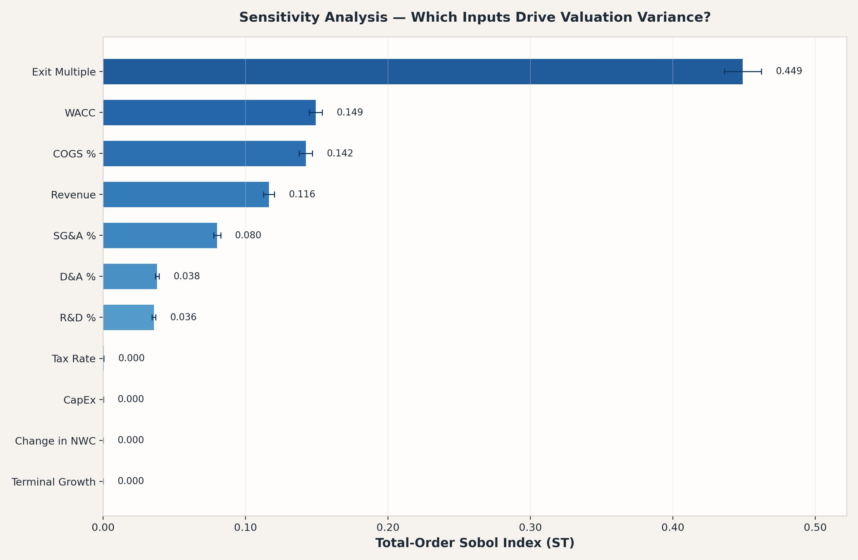
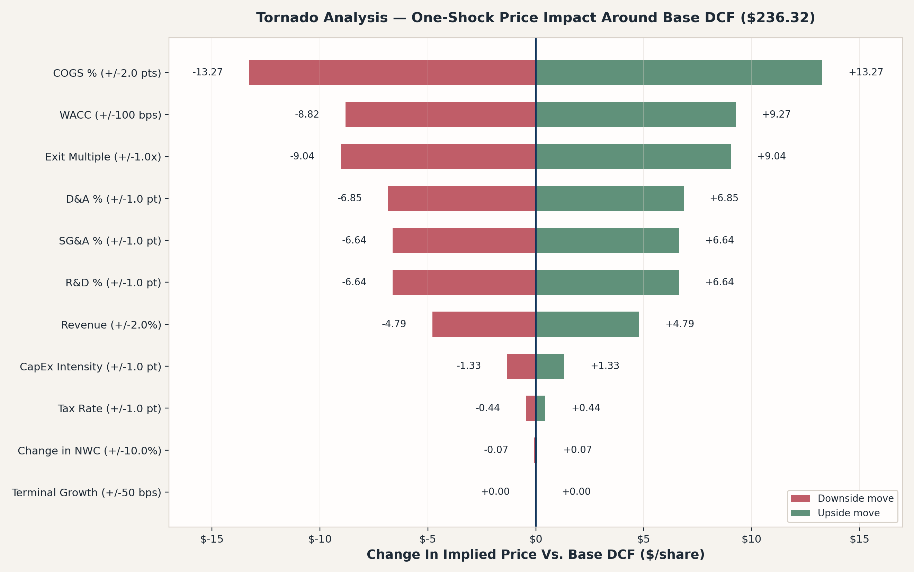
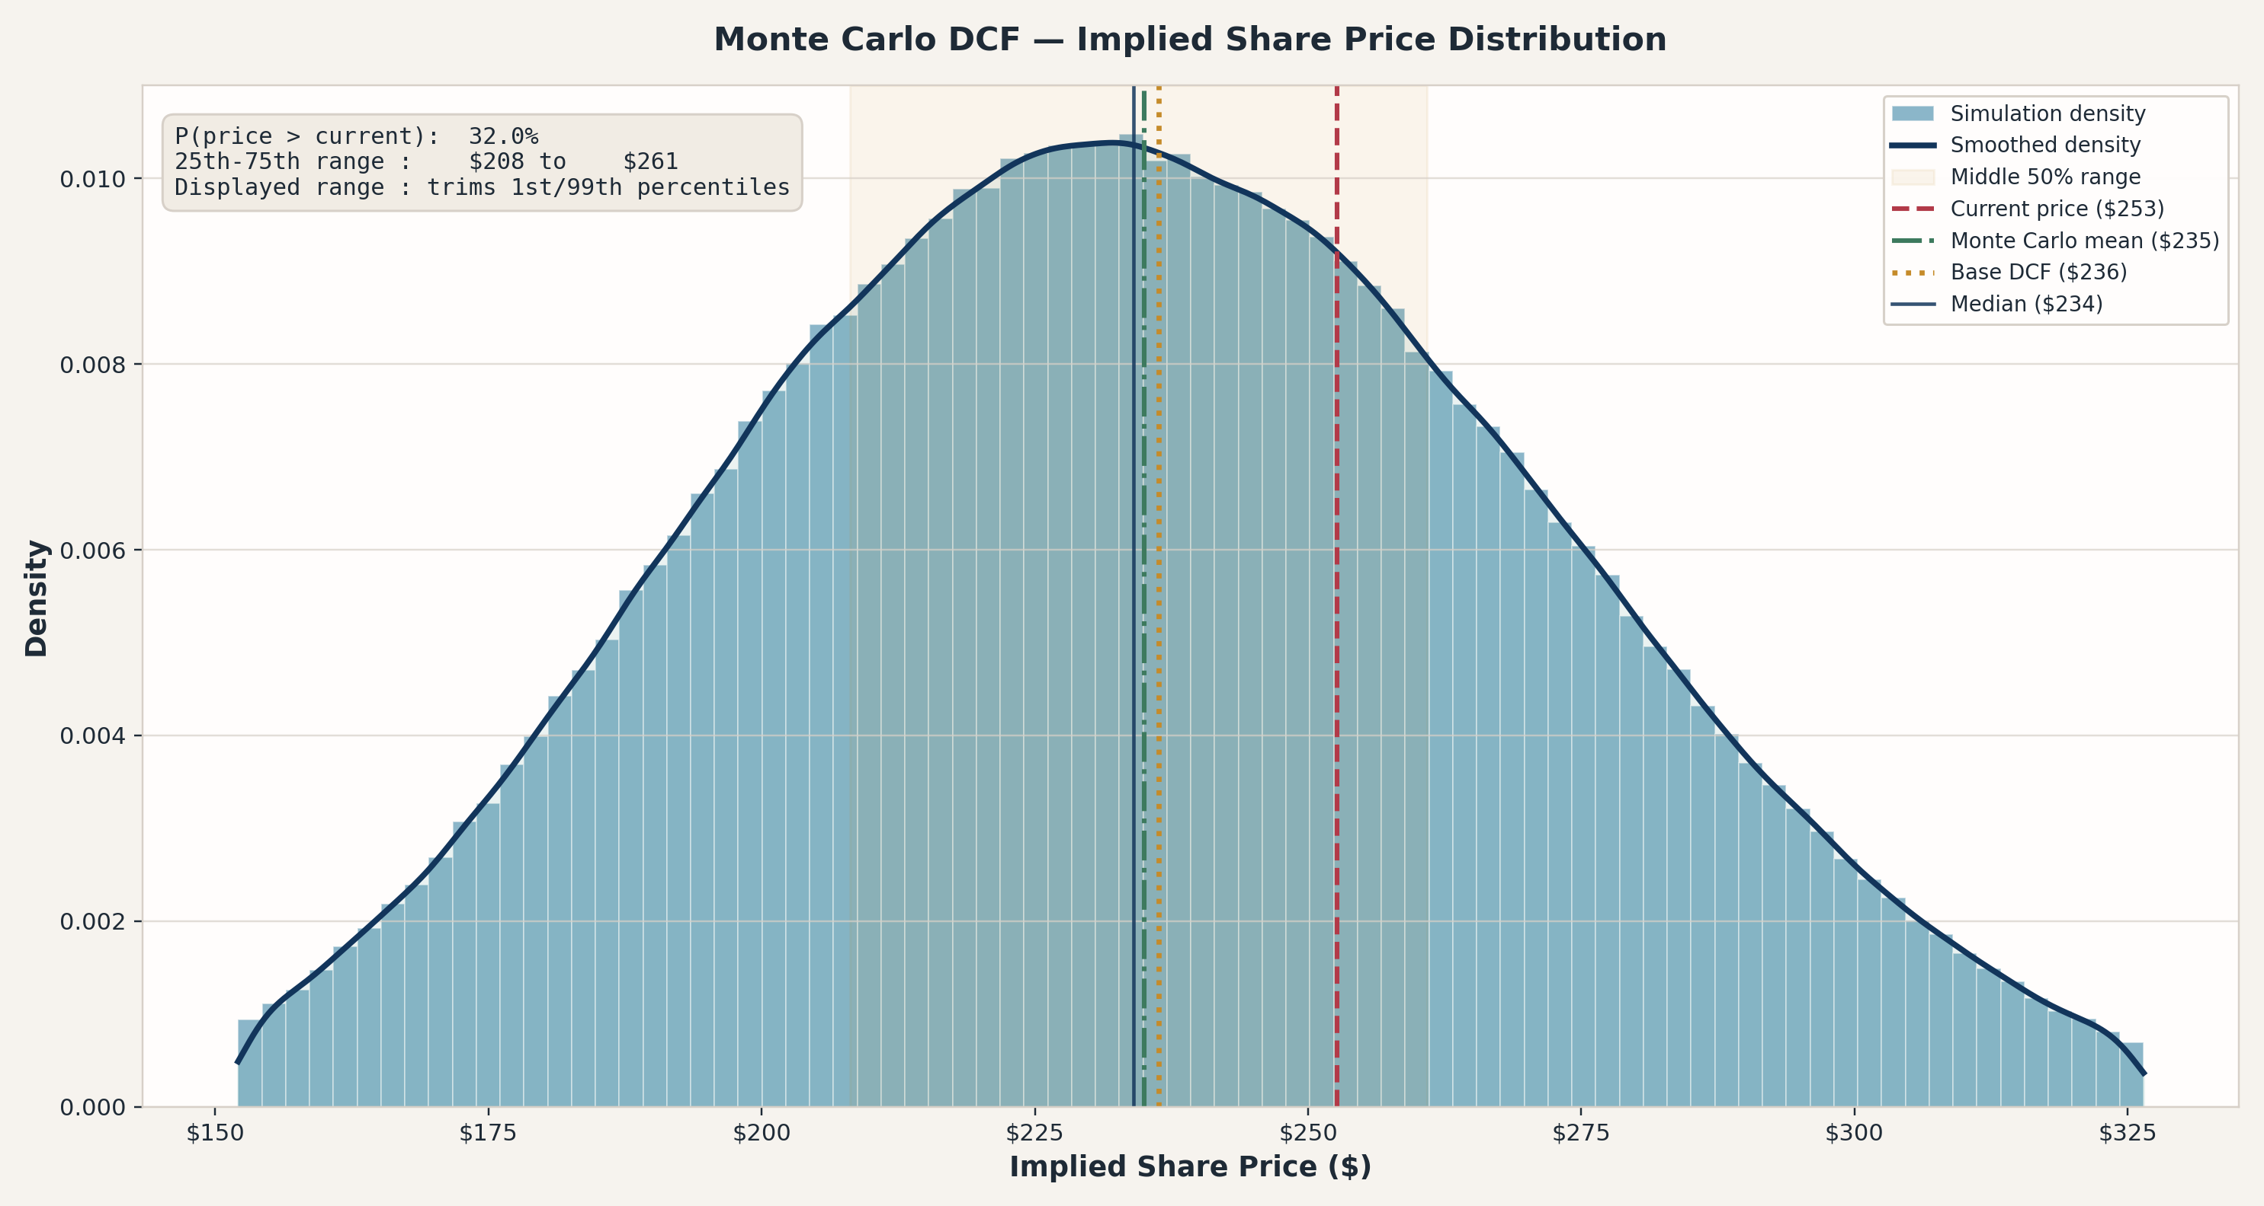
Monte Carlo Valuation Dashboard
Workbook: Stock Pitch - mine Excel Model-1.xlsx
Updated: 2026-03-17 15:34:42

Summary |  | Sensitivity Ranking
Metric | Value | Parameter | S1 | S1_conf | ST | ST_conf
Current Price | $252.65 | exit_multiple | 0.442 | 0.017 | 0.449 | 0.013
Base DCF Target | $236.32 | wacc | 0.145 | 0.011 | 0.149 | 0.005
Target Upside / Downside | -$0.06 | cogs_pct | 0.139 | 0.011 | 0.142 | 0.005
Monte Carlo Mean | $235.01 | revenue | 0.113 | 0.009 | 0.116 | 0.004
Monte Carlo Median | $234.02 | sga_pct | 0.078 | 0.008 | 0.080 | 0.003
Monte Carlo Mean Upside / Downside | -$0.07 | da_pct | 0.037 | 0.005 | 0.038 | 0.001
Std Dev | $38.24 | rd_pct | 0.035 | 0.005 | 0.036 | 0.001
Probability Price > Current | $0.32 | tax_rate | 0.000 | 0.001 | 0.000 | 0.000
Current Price Percentile Rank | $0.68 | capex | 0.000 | 0.000 | 0.000 | 0.000
Iterations | 1,000,000 | nwc | 0.000 | 0.000 | 0.000 | 0.000
Valid Draws | 999,946 | terminal_g | 0.000 | 0.000 | 0.000 | 0.000
Sobol Samples | 8,192
Runtime (s) | 1.544
 |  | Tornado Sensitivity ($/share)
Distribution Percentiles |  | Label | Shock Used | Bear Delta | Bull Delta | Bear Price | Bull Price
Metric | Value | COGS % | +/-2.0 pts | -$13.27 | $13.27 | $223.04 | $249.59
5th Percentile | $173.85 | WACC | +/-100 bps | -$8.82 | $9.27 | $227.50 | $245.58
25th Percentile | $208.10 | Exit Multiple | +/-1.0x | -$9.04 | $9.04 | $227.28 | $245.35
50th Percentile | $234.02 | D&A % | +/-1.0 pt | -$6.85 | $6.85 | $229.47 | $243.17
75th Percentile | $260.85 | R&D % | +/-1.0 pt | -$6.64 | $6.64 | $229.68 | $242.95
95th Percentile | $299.41 | SG&A % | +/-1.0 pt | -$6.64 | $6.64 | $229.68 | $242.95
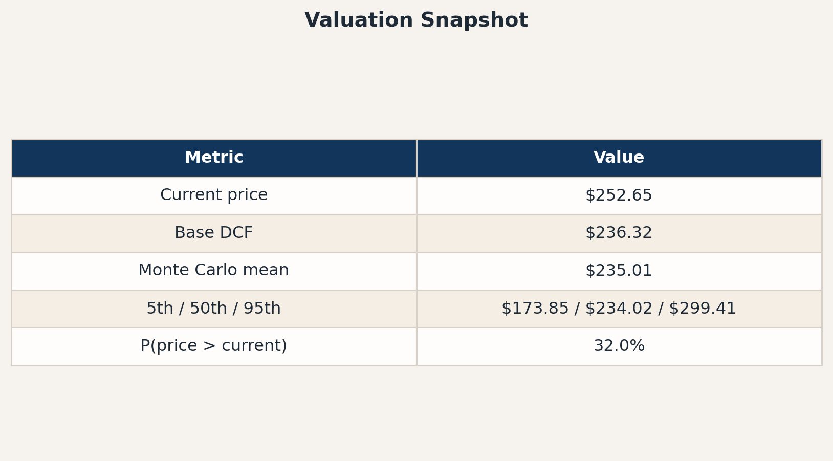
 |  | Revenue | +/-2.0% | -$4.79 | $4.79 | $231.52 | $241.11
 |  | CapEx Intensity | +/-1.0 pt | -$1.33 | $1.33 | $234.99 | $237.64
 |  | Tax Rate | +/-1.0 pt | -$0.44 | $0.44 | $235.87 | $236.76
 |  | Change in NWC | +/-10.0% | -$0.07 | $0.07 | $236.25 | $236.38
 |  | Terminal Growth | +/-50 bps | $0.00 | $0.00 | $236.32 | $236.32

